Programme
 |  |  |  | 2020 World Para Swimming European Open Championships Programme Funchal, Madeira - 16-22 May 2021 |  |  |  |  |  |  | 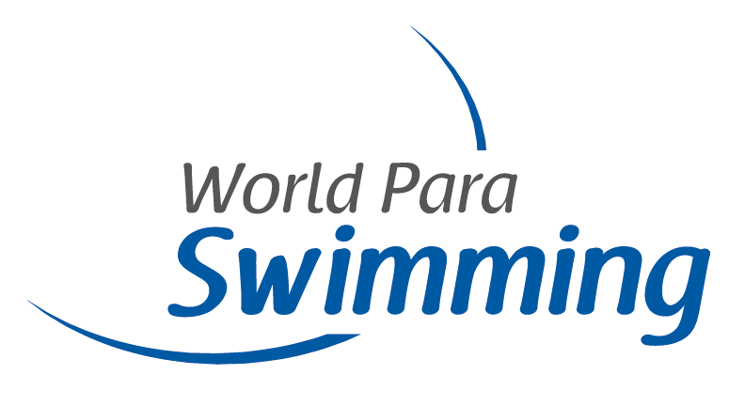
Day 1 |  | Day 2 |  | Day 3 |  | Day 4 |  | Day 5 |  | Day 6 |  | Day 7
1 | Men's 400m Freestyle S8 | 26 | Men's 400m Freestyle S7 | 48 | Men's 100m Backstroke S1 | 72 | Men's 400m Freestyle S6 | 92 | Men's 100m Breaststroke SB5 | 117 | Men's 400m Freestyle S13 (S12-13) | 139 | Men's 100m Breaststroke SB8
2 | Women's 400m Freestyle S8 | 27 | Women's 400m Freestyle S7 (S6-S7) | 49 | Men's 100m Backstroke S2 | 73 | Women's 400m Freestyle S6 | 93 | Women's 100m Breaststroke SB5 | 118 | Women's 400m Freestyle S13 (S11-13) | 140 | Women's 100m Breaststroke SB8
3 | Men's 100m Breaststroke SB9 | 28 | Men's 100m Freestyle S4 (S1-4) | 50 | Men's 100m Breaststroke SB14 | 74 | Men's 200m Individual Medley SM11 | 94 | Men's 400m Freestyle S9 | 119 | Men's 200m Individual Medley SM8 | 141 | Men's 100m Backstroke S10
4 | Women's 100m Breaststroke SB9 | 29 | Women's 100m Freestyle S4 (S3-S4) | 51 | Women's 100m Breaststroke SB14 | 75 | Men's 100m Freestyle S8 | 95 | Women's 400m Freestyle S9 | 120 | Women's 200m Individual Medley SM8 | 142 | Women's 100m Backstroke S10
5 | Men's 100m Butterfly S13 | 30 | Men's 50m Backstroke S5 | 52 | Men's 150m Individual Medley SM4 (SM3-SM4) | 76 | Women's 100m Freestyle S8 | 96 | Men's 100m Butterfly S10 | 121 | Men's 50m Freestyle S7 | 143 | Men's 100m Freestyle S7
6 | Women's 100m Butterfly S13 (S11-13) | 31 | Women's 50m Backstroke S5 | 53 | Women's 150m Individual Medley SM4 (SM1-4) | 77 | Men's 50m Backstroke S3 | 97 | Women's 100m Butterfly S10 | 122 | Women's 50m Freestyle S7 | 144 | Women's 100m Freestyle S7
7 | Men's 50m Freestyle S5 | 32 | Men's 100m Freestyle S6 | 54 | Men's 50m Freestyle S12 | 78 | Women's 50m Backstroke S3 (S2-S3) | 98 | Men's 50m Freestyle S4 | 123 | Men's 50m Backstroke S2 | 145 | Men's 100m Freestyle S5
8 | Women's 50m Freestyle S5 | 33 | Women's 100m Freestyle S6 | 55 | Women's 50m Freestyle S12 | 79 | Men's 50m Backstroke S4 (SM1-SM4) | 99 | Women's 50m Freestyle S4 (S1-4) | 124 | Men's 50m Freestyle S3 (S1-3) | 146 | Women's 100m Freestyle S5
9 | Men's 50m Breaststroke SB2 (SB1-2) | 34 | Men's 200m Individual Medley SM10 | 56 | Men's 50m Butterfly S5 | 80 | Women's 50m Backstroke S4 | 100 | Men's 50m Freestyle S8 | 125 | Men's 100m Freestyle S14 | 147 | Men's 50m Butterfly S6
10 | Men's 50m Breaststroke SB3 | 35 | Women's 200m Individual Medley SM10 | 57 | Women's 50m Butterfly S5 | 81 | Men's 100m Breaststroke SB12 | 101 | Women's 50m Freestyle S8 | 126 | Women's 100m Freestyle S14 | 148 | Women's 50m Butterfly S6
11 | Women's 50m Breaststroke SB3 (SB1-3) | 36 | Men's 100m Backstroke S14 | 58 | Men's 100m Breaststroke SB7 | 82 | Women's 100m Breaststroke SB12 | 102 | Men's 50m Butterfly S7 | 127 | Men's 100m Backstroke S9 | 149 | Men's 50m Freestyle S9
12 | Men's 100m Backstroke S6 | 37 | Women's 100m Backstroke S14 | 59 | Women's 100m Breaststroke SB7 | 83 | Men's 100m Backstroke S13 | 103 | Women's 50m Butterfly S7 | 128 | Women's 100m Backstroke S9 | 150 | Women's 50m Freestyle S9
13 | Women's 100m Backstroke S6 | 38 | Men's 100m Butterfly S11 | 60 | Men's 200m Individual Medley SM6 (SM5-6) | 84 | Women's 100m Backstroke S13 | 104 | Men's 50m Freestyle S6 | 129 | Men's 100m Backstroke S11 | 151 | Men's 200m Individual Medley SM13
14 | Men's 200m Freestyle S14 | 39 | Men's 100m Butterfly S12 | 61 | Women's 200m Individual Medley SM6 (SM5-6 | 85 | Men's 200m Freestyle S2 (S1-2) | 105 | Women's 50m Freestyle S6 | 130 | Women's 100m Backstroke S11 | 152 | Women's 200m Individual Medley SM13 (11-13)
15 | Women's 200m Freestyle S14 | 40 | Men's 100m Backstroke S8 | 62 | Men's 100m Butterfly S9 | 86 | Men's 100m Backstroke S7 | 106 | Men's 100m Freestyle S12 | 131 | Men's 200m Freestyle S4 | 153 | Men's 200m Freestyle S3
16 | Men's 200m Individual Medley SM7 | 41 | Women's 100m Backstroke S8 | 63 | Women's 100m Butterfly S9 (S8-S9) | 87 | Women's 100m Backstroke S7 | 107 | Women's 100m Freestyle S12 | 132 | Men's 200m Freestyle S5 | 154 | Men's 100m Butterfly S14
17 | Women's 200m Individual Medley SM7 | 42 | Men's 100m Breaststroke SB13 | 64 | Men's 400m Freestyle S10 | 88 | Men's 100m Freestyle S9 | 108 | Men's 200m Individual Medley SM14 | 133 | Women's 200m Freestyle S5 | 155 | Women's 100m Butterfly S14
18 | Men's 50m Freestyle S11 | 43 | Women's 100m Breaststroke SB13 | 65 | Women's 400m Freestyle S10 | 89 | Women's 100m Freestyle S9 | 109 | Women's 200m Individual Medley SM14 | 134 | Men's 100m Freestyle S10 | 156 | Men's 400m Freestyle S11
19 | Women's 50m Freestyle S11 | 44 | Men's 200m Individual Medley SM9 | 66 | Men's 100m Breaststroke SB11 | 90 | Mixed 4 x 100m Freestyle S14 | 110 | Men's 100m Freestyle S11 | 135 | Women's 100m Freestyle S10 | 157 | Women's 4 x 100m Freestyle 34pts
20 | Men's 50m Freestyle S10 | 45 | Women's 200m Individual Medley SM9 | 67 | Women's 100m Breaststroke SB11 | 91 | Mixed 4 x 100m Medley 49pts | 111 | Women's 100m Freestyle S11 | 136 | Men's 100m Breaststroke SB6 | 158 | Men's 4 x 100m Freestyle 34pts
21 | Women's 50m Freestyle S10 | 46 | Mixed 4 x 50m Medley 20pts | 68 | Men's 100m Freestyle S13 |  |  | 112 | Men's 50m Backstroke S1 | 137 | Women's 100m Breaststroke SB6
22 | Men's 100m Backstroke S12 | 47 | Mixed 4 x 100m Medley S14 | 69 | Women's 100m Freestyle S13 |  |  | 113 | Men's 50m Freestyle S13 | 138 | Mixed 4 x 100m Freestyle 49 pts
23 | Women's 100m Backstroke S12 |  |  | 70 | Men's 100m Butterfly S8 |  |  | 114 | Women's 50m Freestyle S13
24 | Men's 100m Breaststroke SB4 |  |  | 71 | Mixed 4 x 50m Freestyle 20pts |  |  | 115 | Women's 4 x 100m Medley 34pts
25 | Women's 100m Breaststroke SB4 |  |  |  |  |  |  | 116 | Men's 4 x 100m Medley 34pts
 |  |  |  | N159 | Women's 100m Backstroke S2 (S1-2)

 | Direct Finals =

 | Non viable events =

 |  |  |  |  | The events are single class events (with eligible classes in the brackets). The list of events may change due to final entries.

 | 29/04/21

